Dashboard
KEVIN COOKIE COMPANY SALES DASHBOARD

TOTAL REVENUE
$4,690,319.00
TOTAL PROFIT
$2,763,364.45
TOTAL COST
$1,926,954.00

The total product sales count was 700 with Chocolate Chip cookies having the highest units
Year 2020 had the highest number of sales with a total of 525 products sold

PERCENT PROFIT
Count of Sales by Product
 | Total
Chocolate Chip | 202
Sugar | 109
White Chocolate Macadamia Nut | 109
Oatmeal Raisin | 94
Fortune Cookie | 93
Snickerdoodle | 93
Count of Products Sold by Year
 | 2019 | 2020
Chocolate Chip | 51 | 151
Fortune Cookie | 23 | 70
Oatmeal Raisin | 23 | 71
Snickerdoodle | 23 | 70
Sugar | 28 | 81
White Chocolate Macadamia Nut | 27 | 82

143.41%

Chocolate Chip Cookies brought in the most revenue with a total of $1,691,215.00
2020 had the highest costs of production across all cookies and also had the same corresponding amount of profit

Sum of Revenue by Product
 | Total
Chocolate Chip | $1,691,215.00
White Chocolate Macadamia Nut | $974,556.00
Oatmeal Raisin | $776,590.00
Snickerdoodle | $587,396.00
Sugar | $506,361.00
Fortune Cookie | $154,201.00
Sum Of Cost And Profit by Product
 | Sum of Cost | Sum of Profit
Chocolate Chip | $676,486.00 | $1,014,729.00
Fortune Cookie | $30,840.20 | $123,360.80
Oatmeal Raisin | $341,699.60 | $434,890.40
Snickerdoodle | $220,273.50 | $367,122.50
Sugar | $210,983.75 | $295,377.25
White Chocolate Macadamia Nut | $446,671.50 | $527,884.50

India recorded the highest number of sales in cookies across all countries
Summary of Insights and Recommendations
The Kevin cookie company sales analysis show a total of six products including different Cookie types and Sugar. Of the six products, Chocolate chip cookies was the top performing product grossing a total revenue of $1,691,215,00 while Fortune cookies was the least perfoming with $154,201.00.
The country with the most sales was India, followed closely by the United States while Philippines has the least number of sales. Production costs were in line with profit generated as Chocolate Chips which cost the most to produce also brought in the most profit. Overall, the percentage profit for Kevin cookie comapany was 143.41% with a 1.001% increase observed in 2020 over 2019.
Kevin Cookie company's 2020 production and revenue increase is a good step which should be maintained and even surpassed in the coming years. Low performing products like Fortune Cookies will benefit from a Customer preference analysis to determine if the product should still remain in production and what new cookie flavours can be introduced and efforts should be made to expand into other countries.
Kevin Cookie company seems to be in good stead and it would be interesting to see what market exploits and new grounds the company is able to break into in the coming years.

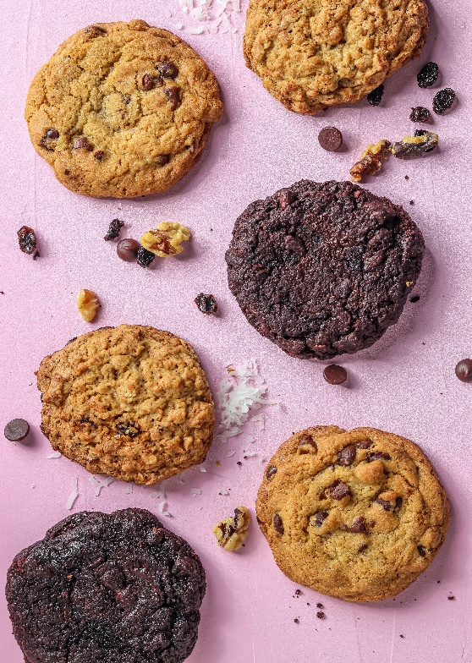
Sum of units sold by Country
 | Total
Philippines | 201495
Malaysia | 203325
United States | 232632
United Kingdom | 240937
India | 247435

